Published Stepped Papers
Papers Published with frequency

Published Chart
Papers Published (Frequency)

Pie-Chart of Databases
Databases & Registers

Piechart of Subject Areas
Subject Areas

Journal Histogram
Histogram of Publication Year

PRISMA - FlowChart
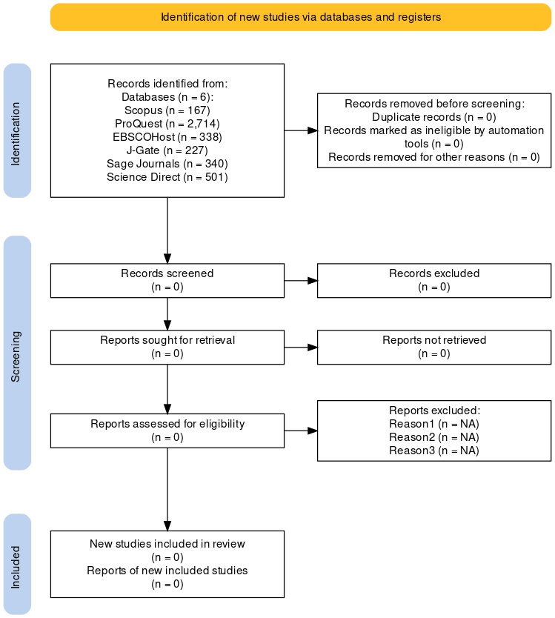
Main options |  | Note
Previous studies | Not Included
Other searches for studies | Not Included
Individual databases | Included
Individual registers | Included | Keep it on to show values from 'Specific Register Results'

Identification
Databases | 6
Registers | 3
Specific Database Results | Scopus,164; ProQuest,1003; EBSCOHost,226; Sage Journals,319; Science Direct,408; Web of Sci,408
Specific Register Results | Google Scholar, 5; JGatePlus, 11; Open Knowledge Map, 5
Websites | 3 | Not needed if 'Other search for studies' is Not Included
Organisations | 0 | Not needed if 'Other search for studies' is Not Included
Citations | 0 | Not needed if 'Other search for studies' is Not Included
Duplicates removed | 457
Automatically excluded |  | Keep it blank instead of 0
Other exclusions |  | Keep it blank instead of 0

Screening
Records screened | 1713 | Records means - Research papers result
Records excluded | 1080
Reports sought | 633 | Reports mean full-text or research article - Read Report as PDF
Reports not retrieved | 0
Other reports sought | 0
Other reports not retrived | 0
Reports assessed | 37
Reports excluded | Used only for Citation, 17; Other Reasons, 0 | Reason1, 3; Reason2, 2; Reason3, 1
Other reports assessed | 0
Other report excluded | 0

Included
New studies | 29
New reports | 29 | Reports mean full-text or research article

